Sheet1
dataset | PFS' | Prism | GTREE | RWordle-L | Ours
Sensorless_drive_diagnosis | 0.14 | 0.25 | 0.19 | 0.04 | 0.05
Condition_based_maintenance | 0.13 | 0.19 | 0.17 | 0.03 | 0.07
Cup98LRN | 0.18 | 0.25 | 0.25 | 0.2 | 0.06
Google_playstore_sentiment | 0.05 | 0.35 | 0.14 | 0.01 | 0.03
BeijingPM2.5 | 0.1 | 0.37 | 0.3 | 0.32 | 0.05
Human_activity_recognition | 0.38 | 0.18 | 0.18 | 0.06 | 0.03
Crowd_sourced_mapping | 0.12 | 0.2 | 0.16 | 0.02 | 0.06
Telescope | 0.12 | 0.19 | 0.16 | 0.03 | 0.04
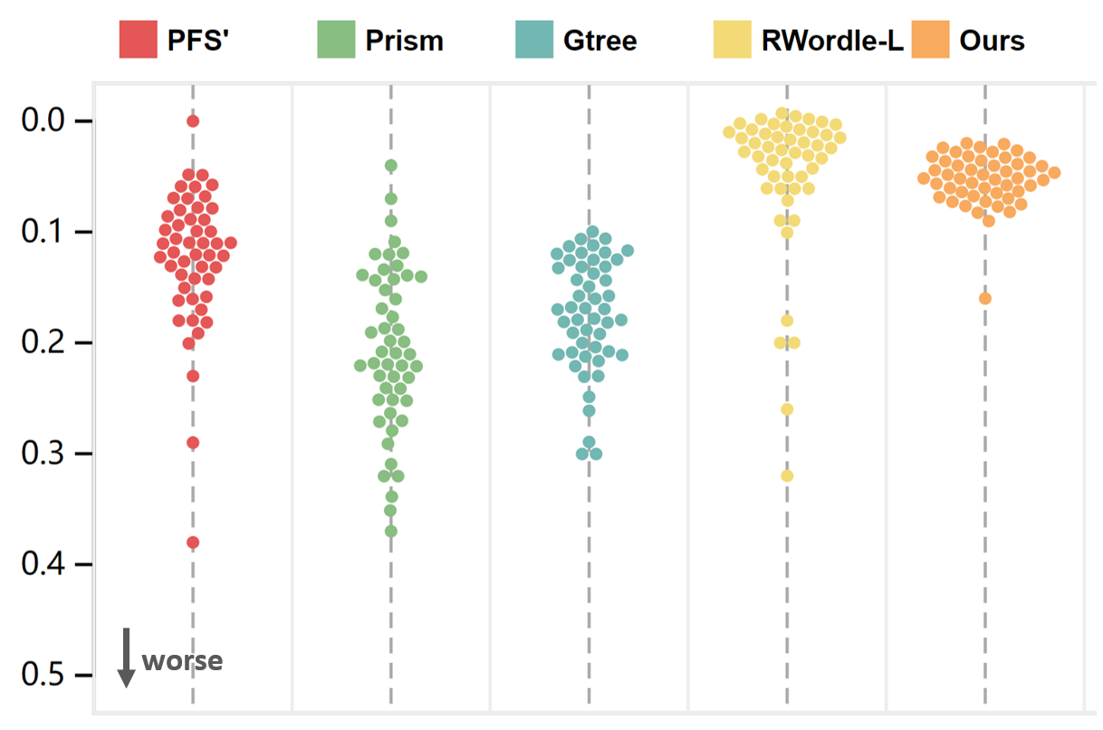
Credit_card_fraud | 0.14 | 0.22 | 0.23 | 0.1 | 0.07
MoCap | 0.13 | 0.24 | 0.18 | 0.06 | 0.05
BlackFriday | 0.06 | 0.07 | 0.11 | 0.01 | 0.04
2008_cancelled_flights | 0.16 | 0.32 | 0.3 | 0.2 | 0.07
Barcelona_accident | 0.07 | 0.27 | 0.21 | 0.02 | 0.04
HT_sensor | 0.09 | 0.23 | 0.17 | 0.03 | 0.05
Epileptic_seizure | 0.1 | 0.09 | 0.1 | 0.01 | 0.05
Terrorism | 0.18 | 0.32 | 0.22 | 0.18 | 0.06
Mnist_tsne | 0.07 | 0.14 | 0.13 | 0.01 | 0.06
Swiss_roll_3d | 0.11 | 0.27 | 0.21 | 0.03 | 0.08
Nomao | 0.29 | 0.22 | 0.21 | 0.06 | 0.05
Person_activity | 0.12 | 0.22 | 0.18 | 0.02 | 0.04
Diamonds | 0.14 | 0.23 | 0.2 | 0.09 | 0.04
Wine | 0.08 | 0.23 | 0.23 | 0.05 | 0.05
Gas_sensor_array_drift | 0.16 | 0.25 | 0.21 | 0.09 | 0.06
Abalone | 0.13 | 0.26 | 0.21 | 0.03 | 0.09
Gesture_phase | 0.18 | 0.28 | 0.21 | 0.05 | 0.04
CS_rankings | 0.07 | 0.14 | 0.12 | 0.01 | 0.05
Satimage | 0.11 | 0.12 | 0.12 | 0.01 | 0.03
Avila | 0.12 | 0.19 | 0.19 | 0.05 | 0.05
Forest_covertype | 0.12 | 0.22 | 0.18 | 0.02 | 0.05
Clothes | 0.09 | 0.14 | 0.12 | 0.01 | 0.05
News_popularity | 0.12 | 0.12 | 0.14 | 0.01 | 0.05
Grammatical_facial_expression | 0.17 | 0.21 | 0.18 | 0.04 | 0.04
Swiss_roll_2d | 0.09 | 0.15 | 0.13 | 0.01 | 0.04
Hathi_trust_library | 0.08 | 0.21 | 0.17 | 0.02 | 0.04
Daily_sports | 0.11 | 0.34 | 0.21 | 0.06 | 0.04
Manhattan | 0.05 | 0.21 | 0.16 | 0.01 | 0.06
Phyllotaxis | 0 | 0.04 | 0.11 | 0 | 0.07
Basketball | 0.16 | 0.13 | 0.12 | 0.01 | 0.03
Dc_census_citizens | 0.11 | 0.2 | 0.15 | 0.02 | 0.04
Chicago_crimes | 0.15 | 0.24 | 0.17 | 0.02 | 0.05
DBLP_samples | 0.06 | 0.14 | 0.13 | 0.01 | 0.06
Music | 0.09 | 0.16 | 0.12 | 0.01 | 0.05
News | 0.06 | 0.14 | 0.12 | 0.01 | 0.06
Paleontology | 0.11 | 0.17 | 0.14 | 0.01 | 0.06
COVID-19_deaths | 0.19 | 0.22 | 0.18 | 0.02 | 0.05
GridGena | 0.1 | 0.14 | 0.12 | 0.01 | 0.05
GaAsH6 | 0.11 | 0.11 | 0.12 | 0.01 | 0.04
Copter | 0.08 | 0.12 | 0.12 | 0.01 | 0.05
News_aggregator | 0.23 | 0.31 | 0.29 | 0.26 | 0.16
GNFUV | 0.2 | 0.29 | 0.26 | 0.07 | 0.05

